da1
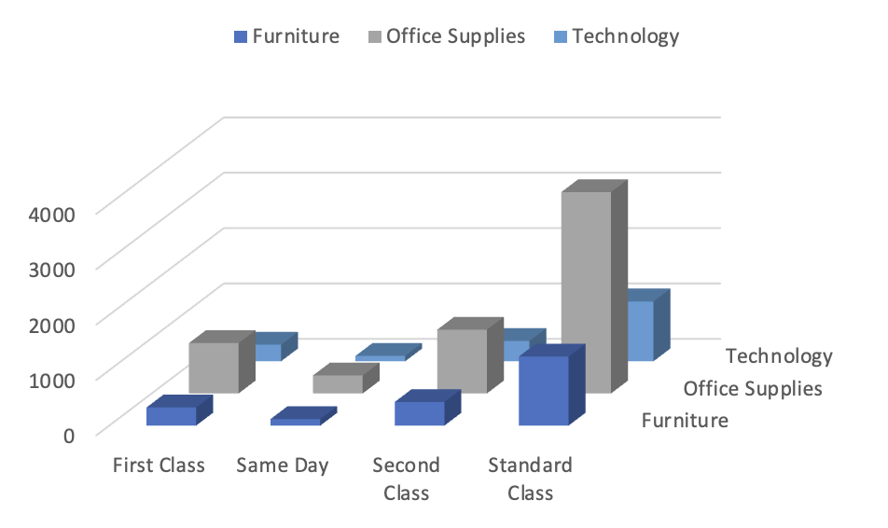
Perbaiki Grafik Dibawah!

Berikut data yang dapat kamu gunakan untuk visualisasi

 | Furniture | Office Supplies | Technology
First Class | 327 | 910 | 301
Same Day | 119 | 326 | 98
Second Class | 427 | 1152 | 366
Standard Class | 1248 | 3638 | 1082

BEFORE

da2
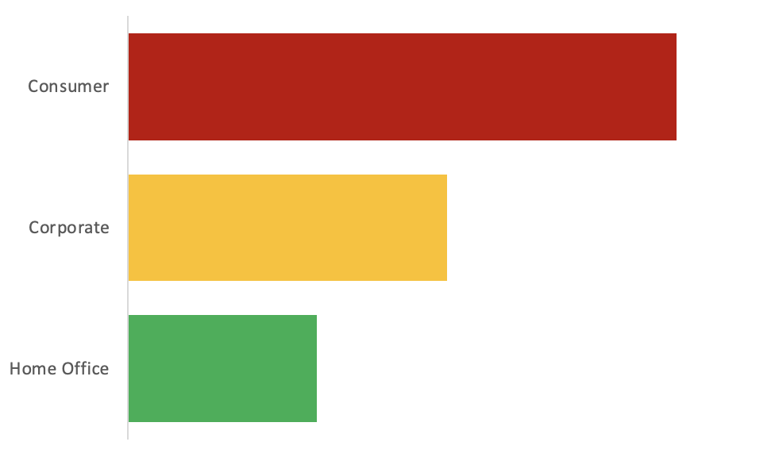
Perbaiki Grafik Dibawah!

Berikut data yang dapat kamu gunakan untuk visualisasi

 | Order
Home Office | 1783
Corporate | 3020
Consumer | 5191

BEFORE

da3
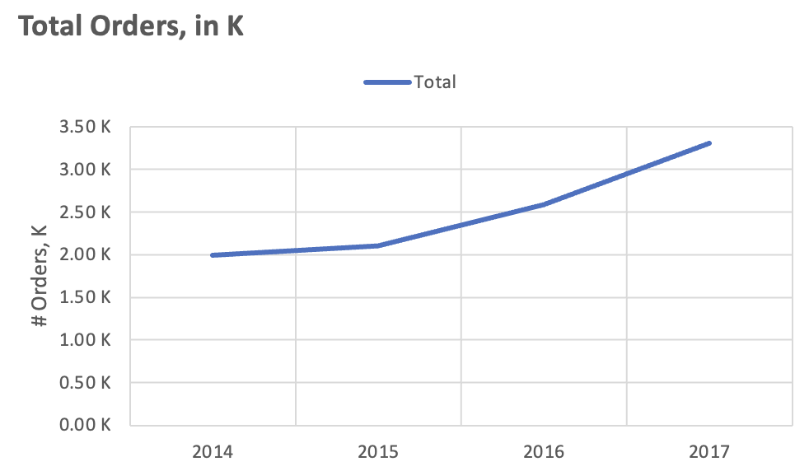
Perbaiki Grafik Dibawah!

Berikut data yang dapat kamu gunakan untuk visualisasi

 | Order
2014 | 1993
2015 | 2102
2016 | 2587
2017 | 3312

